Testing Scenario – Term
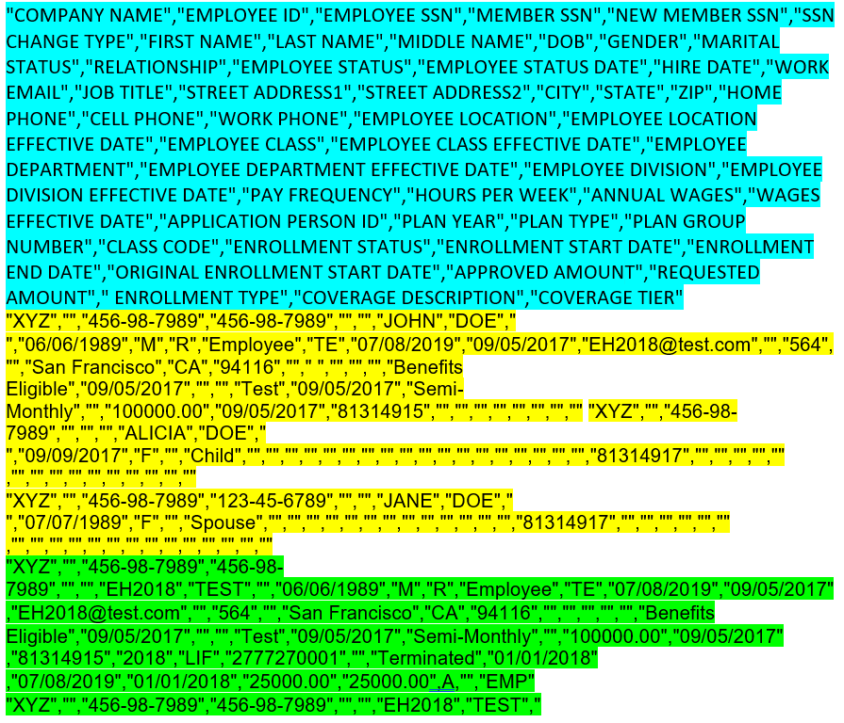
● Testing Scenario – Termination Sample

 | HEADER
 | DEMOGRAPHIC
 | ENROLLMENT

Testing Scenario – SSN Change
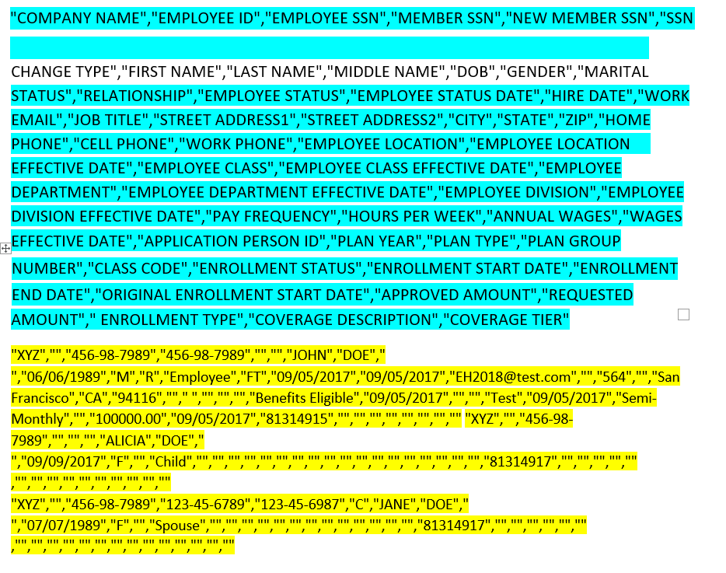
● Testing Scenario – SSN Change Sample

HEADER
DEMOGRAPHIC
ENROLLMENT

